Analysis
Heuristic Evaluation of Vantage |  | SEVERITY RATING LEGEND
 |  | May not be an issue (item for review) | 0
Evaluator Name: | Ramin Partovi | Cosmetic only | 1
Evaluation Date: | 10/10/2022 | Minor problem | 2
Device / Browser / OS: | Macbook Pro / Chrome / macOS Monterrey | Major problem | 3
 |  | Catastrophic problem; fix before release | 4

HEURISTICS | VIOLATION(s) | RECOMMENDATION | SEVERITY | SCREENSHOTS
1. Visibility of system status Always keep users informed about what is going on, through appropriate feedback within a reasonble amount of time. |  |  | NA
 | For nodes that have configurations with multiple steps we don't show the user how many steps they need to go through. | We should introduct some kind of indicator or progress stepper that shows how far along the user is in configuring their nodes. This will also let the user know how many more steps they need to complete to configure the node. | 3
 | When the workflow is completed and active. Anytime it is processing a file the colors used to communicate the visibility of statuses are confusing due to the color use. They use blue to communicate that the job is complete and green for being in progress. | Because colors like blue, red and green are specifically used to communicate system statuses we can change the colors around. Green can communicate completed or done and blue can communicate in progress. | 1 | 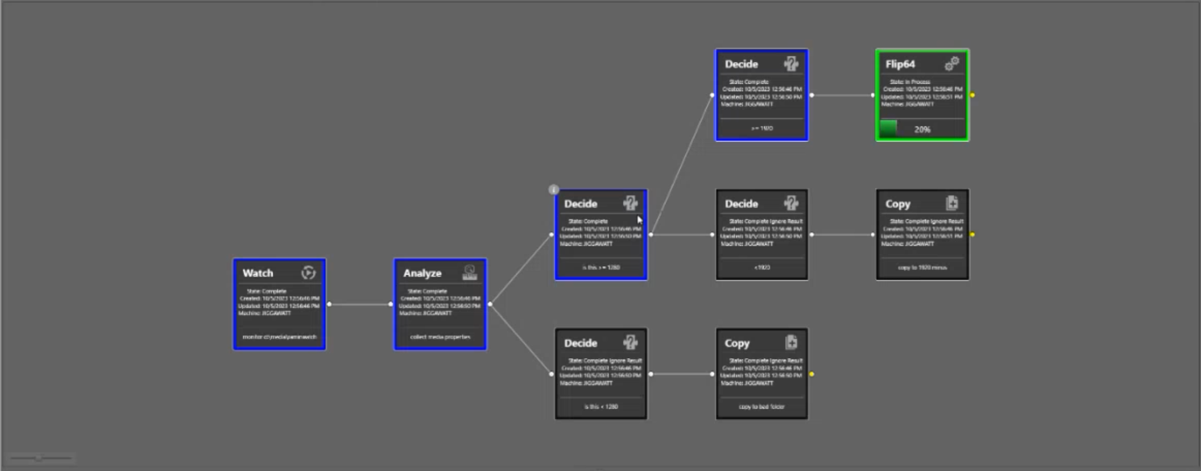
 | Nodes still lack a lot of information showing what configurations were made. This requires the user to drill into each node to understand their configurations. | Need to give users a way to review selected configurations without having to drill down into the node itself. Ideally a way for the user to hover or click on an icon that can give users a quick way to scan and read the configurations for that node. | 2 | 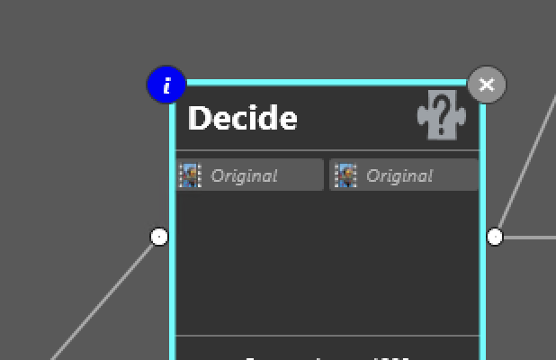
2. Match between system and real world Use words, phrases, and concepts familiar to the user, rather than internal jargon, and follow real-world conventions that present information in a natural and logical order. |  |  | NA
 | When creating variables in the 'Deciscion' nodes there are no clear CTA showing the USER where they need to click to start adding the new variables. There is an icon that is hard to decipher that users need to click on. Primary CTA's shouldn't be hidden behind indistinguishable icons. | For primary actions I would recommend using some kind of CTA that is highlighted so its clear for new users where they need to click in order to perform their action. Hiding a primary icon behind an icon isn't best UX practice. | 2 | 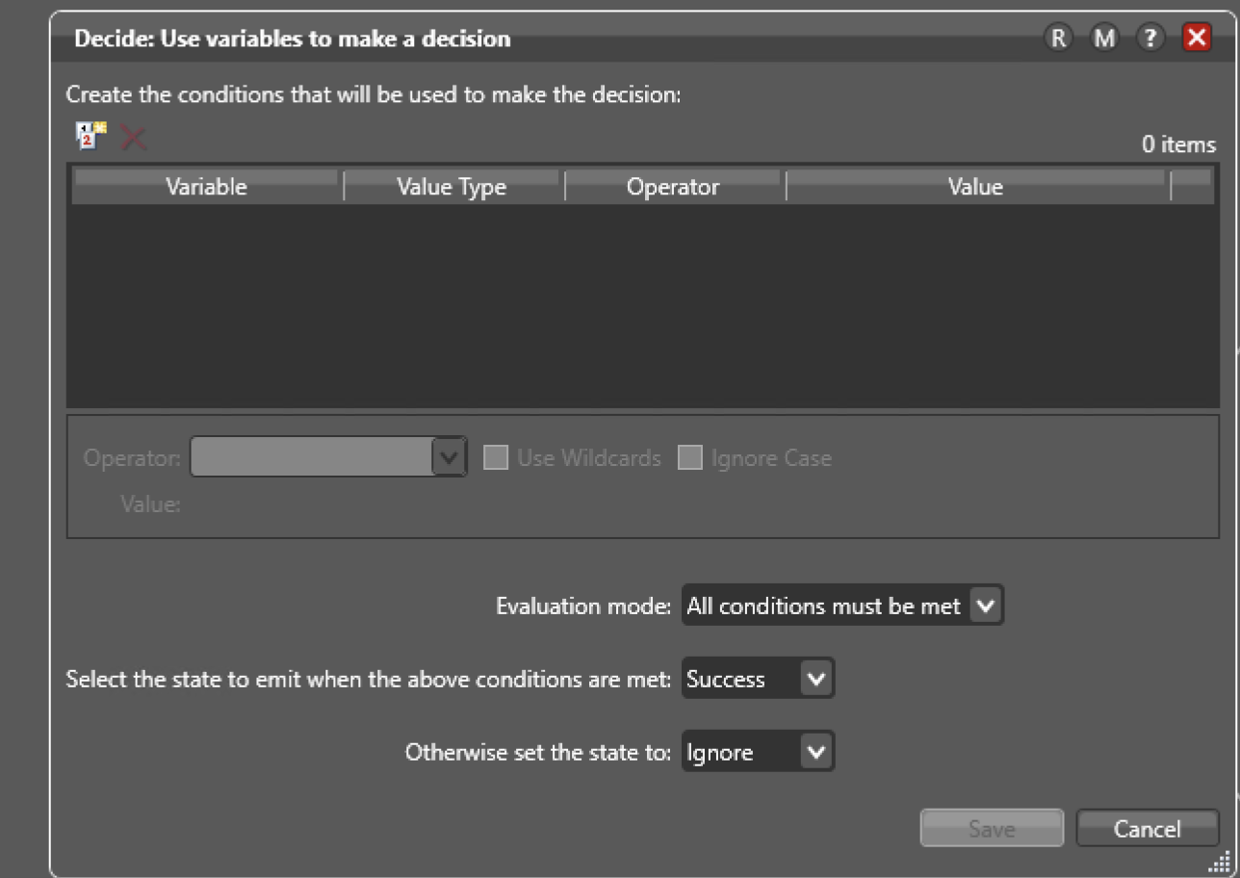
3. User control and freedom Users often perform actions by mistake. They need a clearly marked "emergency exit" to leave the unwanted action without having to go through an extended process. |  |  | NA
 | When creating configurations within the nodes (for example the Analyze node). When setting up the configurations and then deleting them the user doesn't receive any kind of final warning before deleting the changes especially since it can affect the design workflow. | I would recommend that for destructive behaviors when deleting we give users a warning message to confirm for approval. We could also provide users with an undo button to revise their mistake of deleting the configuration. | 3
4. Consistency and standards Maintain internal and external consistency (i.e., words, situations, and actions mean the same thing within the system, and are also consistent when compared with other similar systems). |  |  | NA
 | There is a tab for "Domain Monitor Status" that gives user a global look at all the workflow activity happening in Vantage. This tab is next to the "Job Status" tab which show activity only for the current workflow that the user is active in. This creates confusion for the "DMS" tab due to the hierarchy and placement of this tab. | Need to isolate the "Domain Monitor Status" tab in a way that sits at the top of the hierarchy for all the workflows. This creates a standard for all global activity to be sitting at the top of a hierarchy. Also this is a common behavior in other applications that show statuses for a single job compared to global jobs. | 2 | 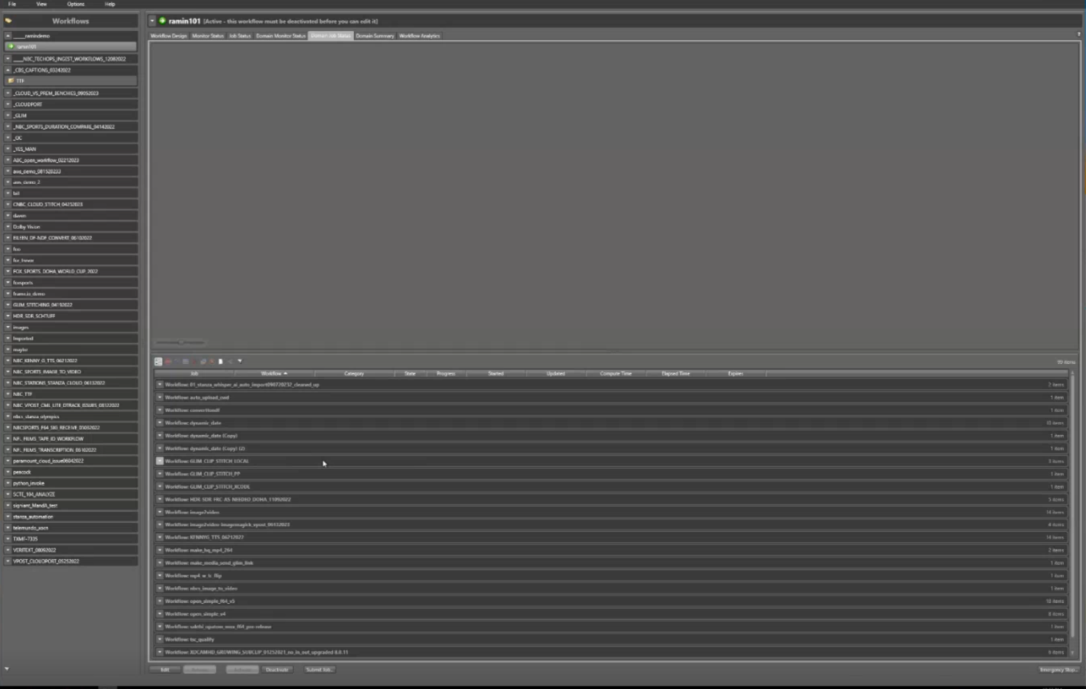
 | When reviewing the information in a read only format the configuration all still have affordances letting the user think they can edit or change the options. This causes confusions for users since there isn't a different view for read only mode. | I would recommend just creating another view that has everything in a read only state. I would also recommend not having this read only modal open up over the previous modals where the current action was taking place. | 3 | 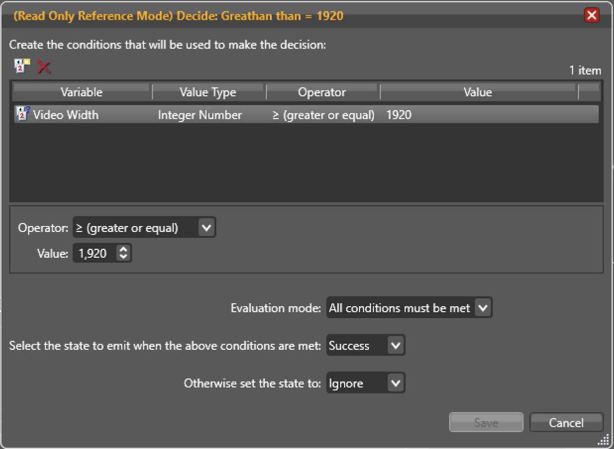
5. Error prevention Good error messages are important, but the best designs carefully prevent problems from occurring in the first place. Either eliminate error-prone conditions, or check for them and present users with a confirmation option before they commit to the action. |  |  | NA
 | The system does provide a persistant error messages when an incorrect selection or configuration is made. The annotation appears for a bit then disappears and the value or option that is selected goes into a default state option. This is confusing for users because they could easily miss this mistake that they made and move on to the next step. | I would recommend we have a error state that persists until the user has resolved the issue with choosing a correct value. This will ensure that the user sees their mistake and not accidentally moves on without having to review what the issue is. | 3 | 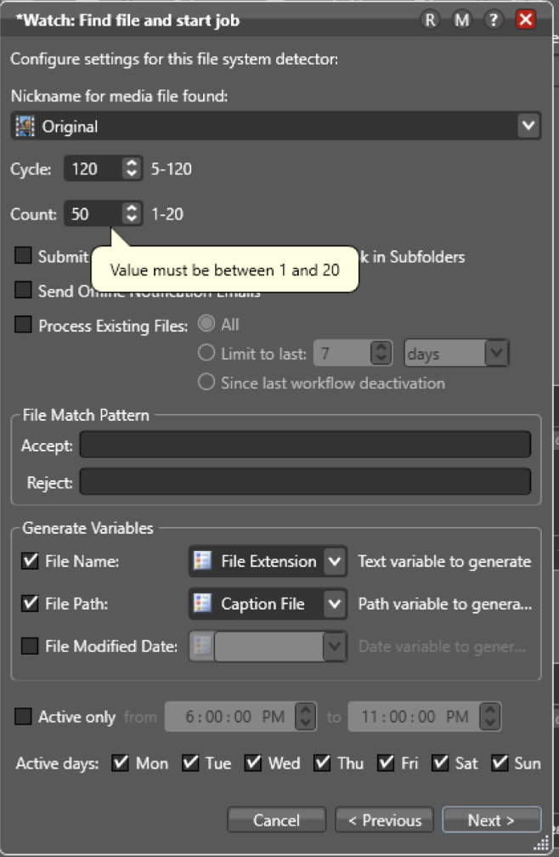
6. Recognition rather than recall Information required to use the design should be visible or easily retrievable when needed (users should not have to remember information from one part of the interface to another). |  |  | NA
 | So many core functions of each of the nodes in Vantage are hidden behind right clicks. This isn't always intuitive for new users specificially especially if they're trying to find a certain action. | Need to display actions that are availble for each node. This will allow the user to scan through and see what actions are available instead of having to remember what actions are hidden behind each right click. Having actions visibile also provides additional affordance on what the USER can click on it the application. | 2 | 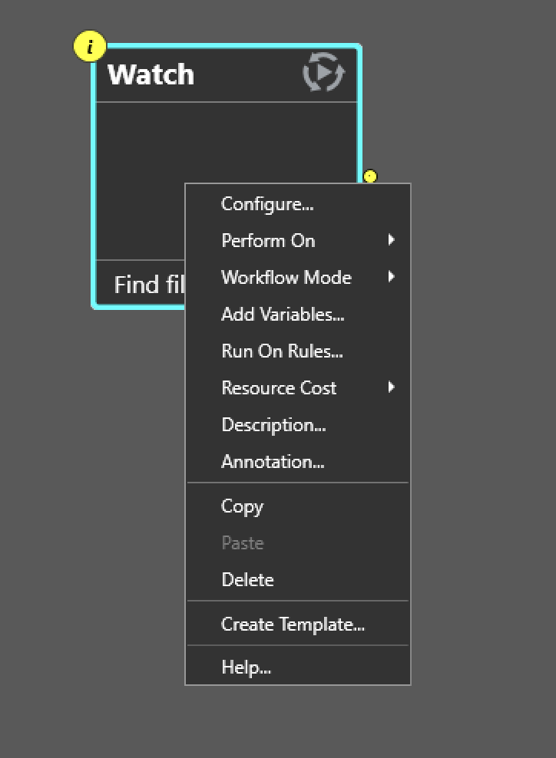 | 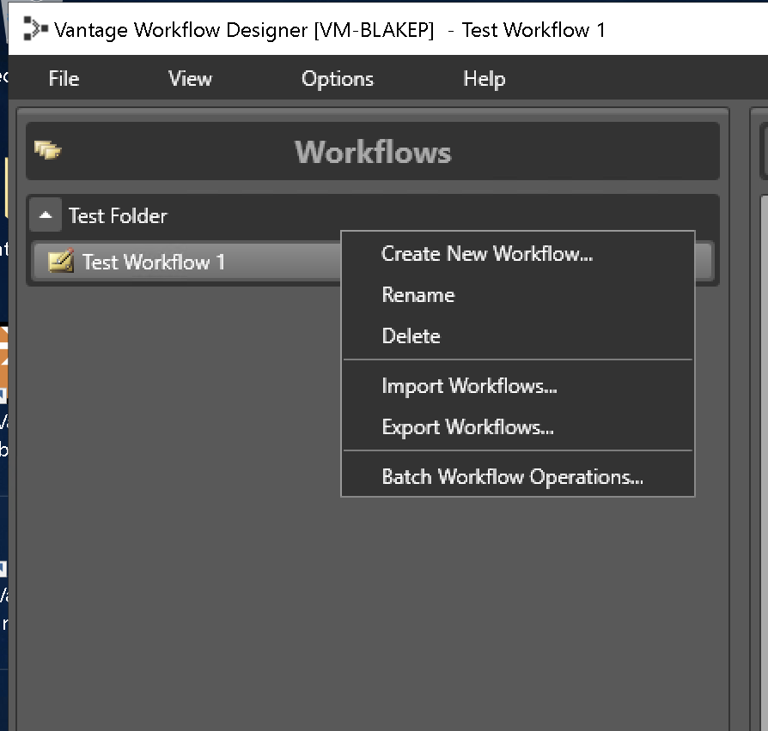
 | There are to many modals that open one over another when configuring a specific node. This causes confusion for the user because they can forget which node they're working on and takes them away from the original action of what they were working on. | Need to provide a different behavior to display the configurations for a node without having to bury it underneath multiple modals. Ideally you can have a slide out panel appear with the configuration options next to the node that is highlighted so its clear to the user which one they're working on. | 2 | 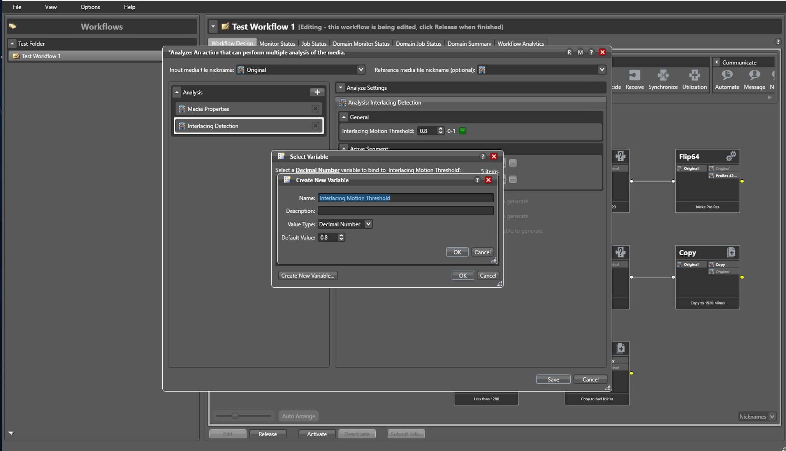
7. Flexibility and efficiency of use Shortcuts — hidden from novice users — may speed up the interaction for the expert user such that the design can cater to both inexperienced and experienced users. Allow users to tailor frequent actions. |  |  | NA
 | There is no pinch to zoom in and out on the workspace area. Currently users have to use the toggle in the corner to change the zoom percentage. This is a missed opportunity to replicate a common behavior found in other applications. | Can look to applications like Figma or Illustrator to use commonly used mouse behaviors with working on blank canvas type of applications. | 1
8. Aesthetic and minimalist design Keep the content and visual design of the UI focused on the essentials. Use progressive disclosure to de-emphasize irrelevant or rarely used elements until they are needed. |  |  | NA
 |  |  | NA
9. Help users recognize, diagnose, and recover from errors Error messages should be expressed in plain language (no error codes), precisely indicate the problem, and constructively suggest a solution. |  |  | NA
 | When a workflow design is active and starts to run. If the job fails the user is given a generic failed message without any information on how to diagnose or resolve the issue. The USER will then have to go back into edit mode, go to the node that was highlighted red, and then review all the configurations to view what causes the failure of the job. This is a time consuming and tedious process for the user which can lead to a lot of frustration. | We should provide additional descriptions for what causes the failure when the job ran. This will allow users to pin point what exactly causes the message instead of providing them a generic message. We can also give users the ability to rectify the error on the same screen without having to go through the work flow of going back into the edit state and looking through all the configurations to see what caused the issue. | 3
10.Help and documentation It’s best if the system doesn’t need any additional explanation. However, it may be necessary to provide documentation to help users understand how to complete their tasks. |  |  | NA
 |  |  | NA

